Model
Electric Air Taxi Calculation
Annual flight hours | 2,000 | 23% |  |  | https://d1io3yog0oux5.cloudfront.net/_8fee3735c77bf5895238fc00194fd5a2/blade/db/1311/11990/pdf/2023.05+BLADE+-+Investor+Deck+vF+%281%29.pdf
Pilots needed | 4 |  |  |  |  |  | Traditional Rotorcraft | Blade Assumptions | Modeled Electric Air Taxi
 |  |  |  |  |  | Fixed Cost | $180 | $150 | $82
Fixed Costs |  |  |  |  |  | Operating Cost | $118 | $80 | $38
 |  | Annualized | Per Hour | Note |  | Landing Fee | $200 | $200 | $64
Aircraft ownership/lease | $1,500,000 | $180,000 | $90 | 12% | of aircraft value | Total Cost | $498 | $430 | $183
Insurance | $1,500,000 | $45,000 | $23 | 3% | of aircraft value | Seats | 6 | 4 | 4
Pilot salaries | $100,000 | $400,000 | $200 |  | per year per IFR rated pilot, need 2 for ~1000 hours | Cost per Ticket | $83 | $108 | $46
Pilot training | $10,000 | $80,000 | $40 |  | FlightSafety tuition 2x per year per pilot | Potential Price Per Ticket | $195 | $168 | $72
Maintenance tech | $55,000 | $55,000 | $28 |  | partial use of salaried maintenance tech
Hangar | $2,000 | $24,000 | $12 |  | per month hangar lease near Manhattan
Avionics | $1,160 | $13,920 | $14 |  | monthly commercial avionics subsciption
Parts | $500 | $6,000 | $3 |  | per month given limited moving parts
Illustrative Flight From Manhattan to JFK
Total |  | $803,920 | $409

Direct Operating Costs
Implied flights | 10,000
Electricity cost | $0.20 | per kWh |  |  | assume higher than standard retail electricity prices of ~$0.12
Energy used per trip | 70 | kWh |  |  | https://www.researchgate.net/figure/Energy-efficiency-different-EVTOL-aircraft-and-terrestrial-vehicles-The-diamond-markers_fig1_352505370
Battery Size | 150 | kWh
Electricity cost | $70.00 | per hour
Battery cost | $130 | per kWh |  |  | battery prices should decline below this price https://ark-invest.com/articles/analyst-research/wrights-law-2/
Total battery cost | $19,500
Battery lifespan | 2000 | Cycles |  |  | this will vary based on depth of discharge during each trip; https://www.futureflight.aero/news-article/2022-11-18/archer-details-motor-and-battery-design-midnight-evtol-air-taxi
Battery replacements needed annually | 5
Battery replacement cost per hour | $49
Maintenance reserve | $70 | per hour |  |  | comparing to the parts portion of the Robinson R66 https://robinsonheli.com/wp-content/uploads/2021/01/r66_eoc_jan_2021.pdf as the battery replacement costs should cover the other portion of the typical maintenance reserve
Direct operating costs | $189

Landing Fees
Heliport upfront cost | $2,000,000 |  |  |  | this will vary by geography https://helenrosenthal.com/wp-content/uploads/2015/11/Industry-Report-Mitchell-Moss-NYU.pdf
Heliport operating cost | $500,000 |  |  |  | https://helenrosenthal.com/wp-content/uploads/2015/11/Industry-Report-Mitchell-Moss-NYU.pdf
Annual Flights | 25,000 |  |  |  | https://helenrosenthal.com/wp-content/uploads/2015/11/Industry-Report-Mitchell-Moss-NYU.pdf
Discount Rate | 8%
Landing Fee | $32 |  |  |  | Need to Adjust Landing Fee So NPV = 0
Roundtrip | $64
Year | Upfront Cost | Operating Cost | Revenue | Cash Flow | NPV
0 | -$2,000,000 |  |  | -$2,000,000 | $-
1 |  | -$500,000 | $798,059 | $298,059
2 |  | -$500,000 | $798,059 | $298,059
3 |  | -$500,000 | $798,059 | $298,059
4 |  | -$500,000 | $798,059 | $298,059
5 |  | -$500,000 | $798,059 | $298,059
6 |  | -$500,000 | $798,059 | $298,059
7 |  | -$500,000 | $798,059 | $298,059
8 |  | -$500,000 | $798,059 | $298,059
9 |  | -$500,000 | $798,059 | $298,059
10 |  | -$500,000 | $798,059 | $298,059

Traditional Rotorcraft
Fixed costs | $900.00 | per hour
Direct operating costs | $589 | per hour | Bell 407 Gxi
Hourly rate | $1,489

Illustrative Flight from Manhattan to JFK
Flight duration | 0.2 | hours
Flight cost | $298
Landing fee | $200
Total cost | $498 |  |  |  |  |  |  |  | Aircraft Cost
 |  |  |  |  |  |  |  | 409 | $4,000,000 | $1,300,000 | $600,000 | $200,000
 |  |  |  |  |  |  | Annual Flight Hours | 500 | $1,624 | $814 | $604 | $484
 |  |  |  |  |  |  |  | 1,000 | $939 | $534 | $429 | $369
 |  |  |  |  |  |  |  | 1,500 | $711 | $441 | $371 | $331
 |  |  |  |  |  |  |  | 2,000 | $596 | $394 | $341 | $311
 |  |  |  |  |  |  |  | 2,500 | $528 | $366 | $324 | $300

 |  |  |  |  |  |  |  |  | Maintenance Reserve
 |  |  |  |  |  |  |  | $189 | $400 | $300 | $200 | $100
 |  |  |  |  |  |  | Battery Lifespan (cycles) | 500 | $740 | $590 | $440 | $290
 |  |  |  |  |  |  |  | 1000 | $440 | $365 | $290 | $215
 |  |  |  |  |  |  |  | 2000 | $290 | $253 | $215 | $178
 |  |  |  |  |  |  |  | 5000 | $200 | $185 | $170 | $155
 |  |  |  |  |  |  |  | 10000 | $170 | $163 | $155 | $148

Charts
Modeled Hourly Fixed Cost By Vehicle Price and Annual Flight Hours

Fixed Costs
 |  | Aircraft Cost
 |  | $4,000,000 | $1,300,000 | $600,000 | $200,000
Annual Flight Hours | 500 | $1,624 | $814 | $604 | $484
 | 1,000 | $939 | $534 | $429 | $369
 | 1,500 | $711 | $441 | $371 | $331
 | 2,000 | $596 | $394 | $341 | $311
 | 2,500 | $528 | $366 | $324 | $300

Operating Costs
 |  | Maintenance Reserve
 |  | $400 | $300 | $200 | $100
Modeled Hourly Operating Cost By Maintenance Reserve Cost and Battery Lifespan (Cycles)
Battery Lifespan (cycles) | 500 | $540 | $440 | $340 | $240
 | 1,000 | $340 | $290 | $240 | $190
 | 2,000 | $240 | $215 | $190 | $165
 | 5,000 | $180 | $170 | $160 | $150
 | 10,000 | $160 | $155 | $150 | $145

Landing Fees
 |  | Annual Flights
Upfront Cost |  | 5,000 | 10,000 | 20,000 | 40,000
 | $6,000,000 | $279 | $139 | $70 | $35
 | $3,000,000 | $189 | $95 | $47 | $24
 | $1,500,000 | $145 | $72 | $36 | $18
 | $750,000 | $122 | $61 | $31 | $15

Modeled Landing Fee By Upfront Cost and Number of Annual Flights
 | Robinson R66 |  | Electric Air Taxi
2000 Hour Engine Periodic Maintenance Interval | $89 | Battery Replacement Cost | $49
2000 Hour Aircraft Overhaul Parts Kit | $94 | Maintenance Reserve for Parts | $70
Fuel @ $5.60 per gallon and 22 gallons per hour | $123 | Electricity | $70.00

Robinson R66
Modeled Electric Air Taxi

Resources
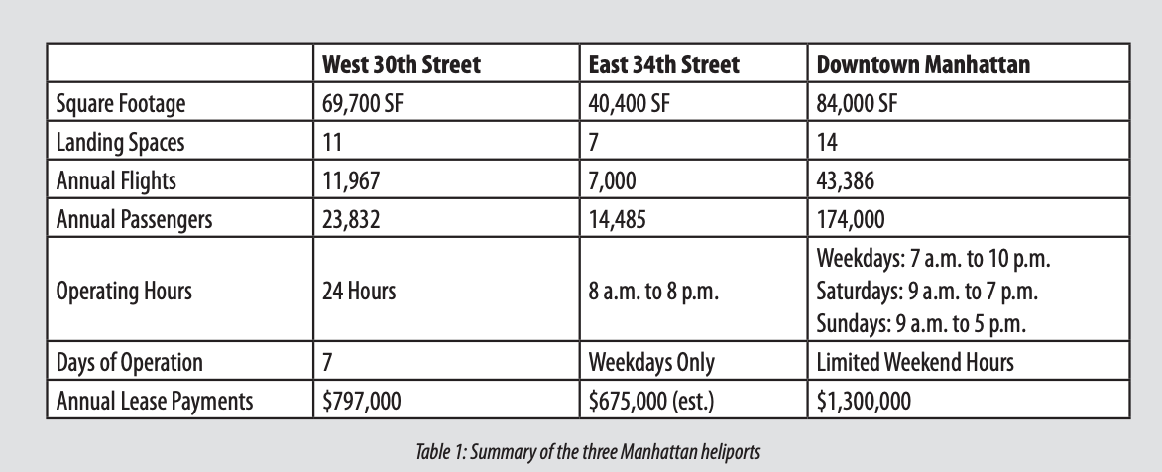
Blade Investor Presentation
https://d1io3yog0oux5.cloudfront.net/_8fee3735c77bf5895238fc00194fd5a2/blade/db/1311/11990/pdf/2023.05+BLADE+-+Investor+Deck+vF+%281%29.pdf
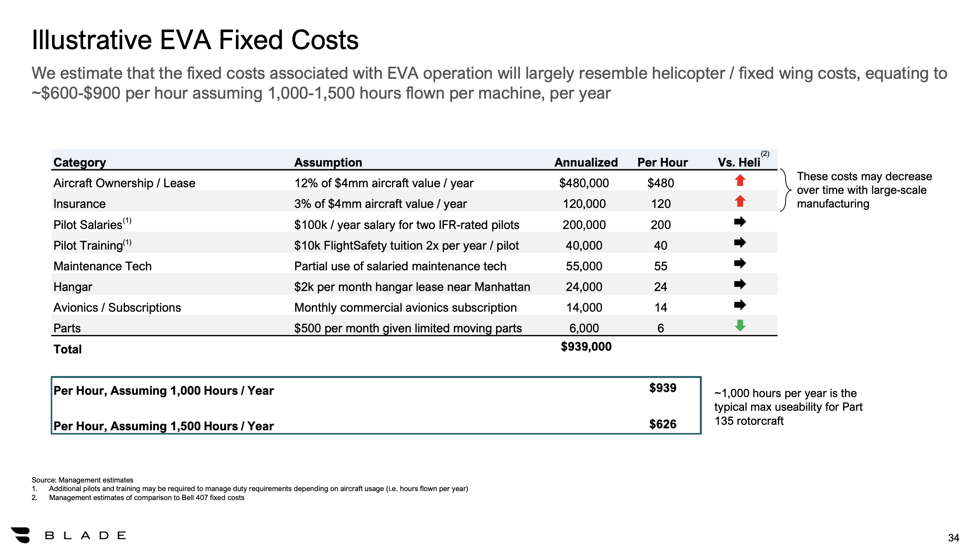
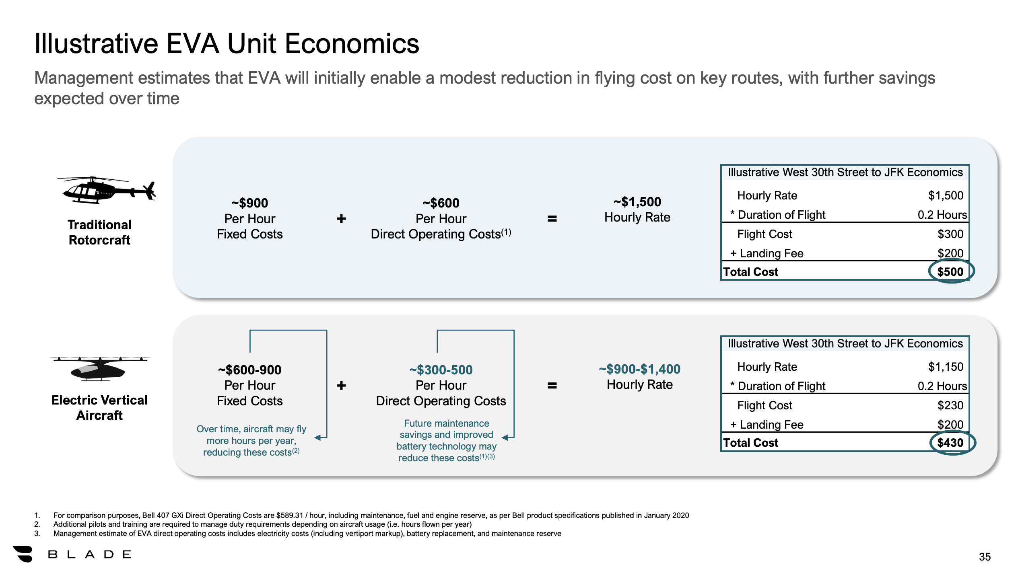
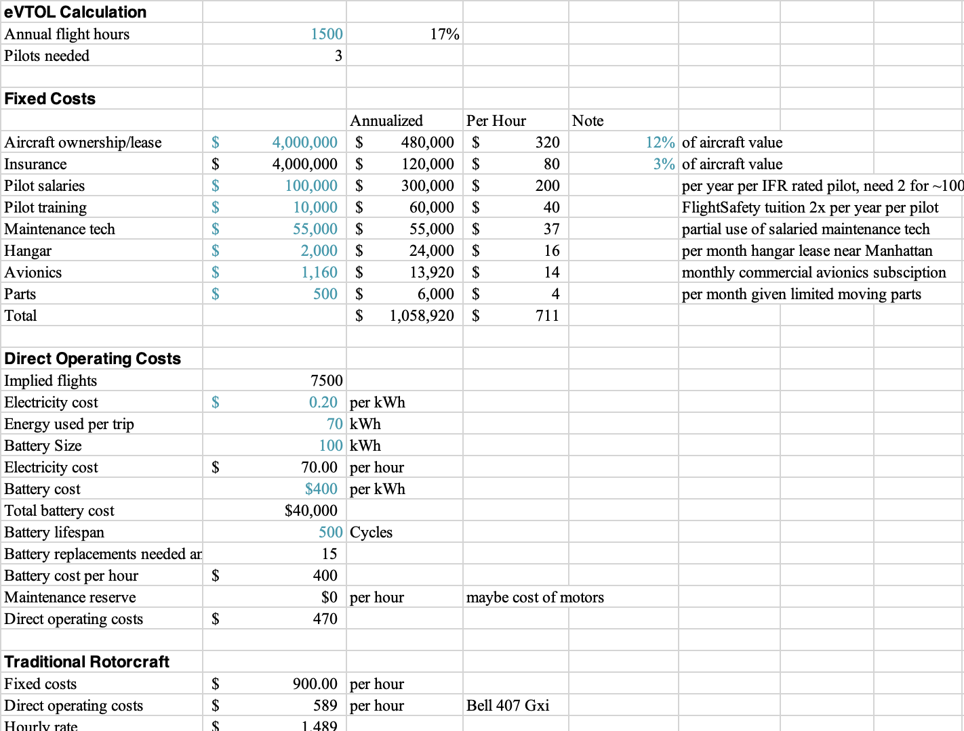

Uber Elevate WhitePaper
https://d1nyezh1ys8wfo.cloudfront.net/static/PDFs/Elevate%2BWhitepaper.pdf?uclick_id=cc38feb1-087f-4cd5-b759-46b67fe81c45
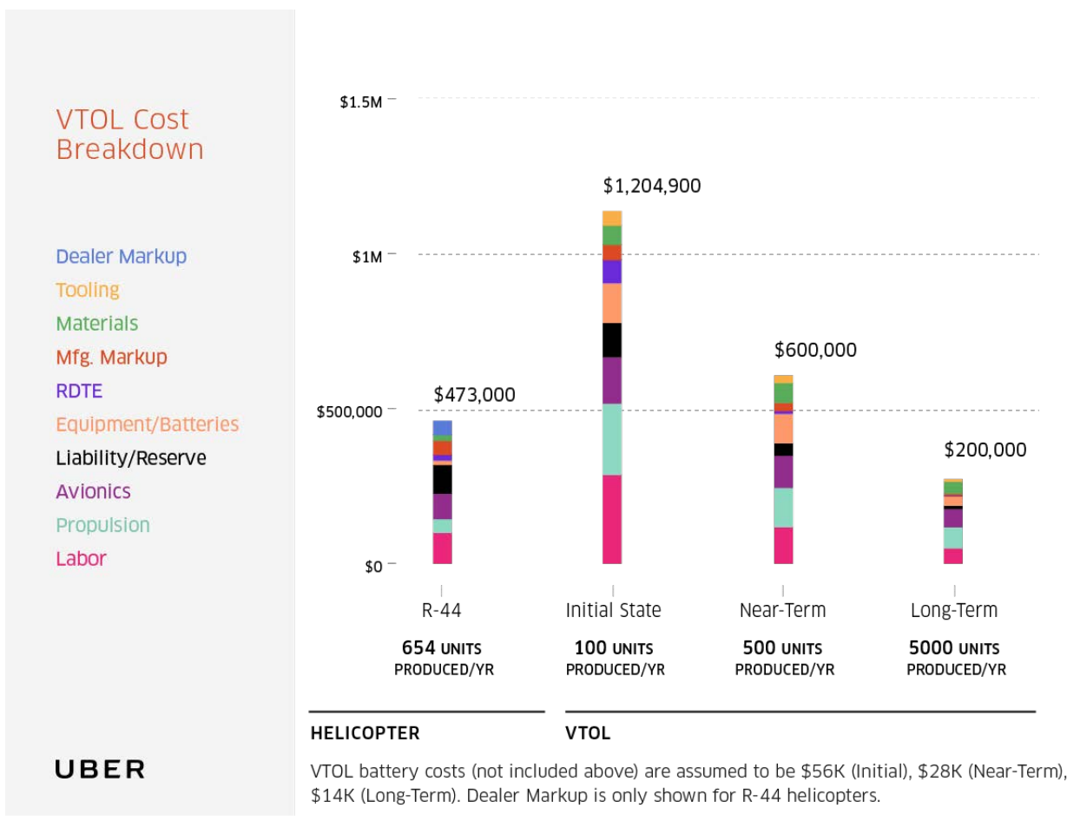

Robinson Helicopter
https://robinsonheli.com/wp-content/uploads/2021/01/r66_eoc_jan_2021.pdf
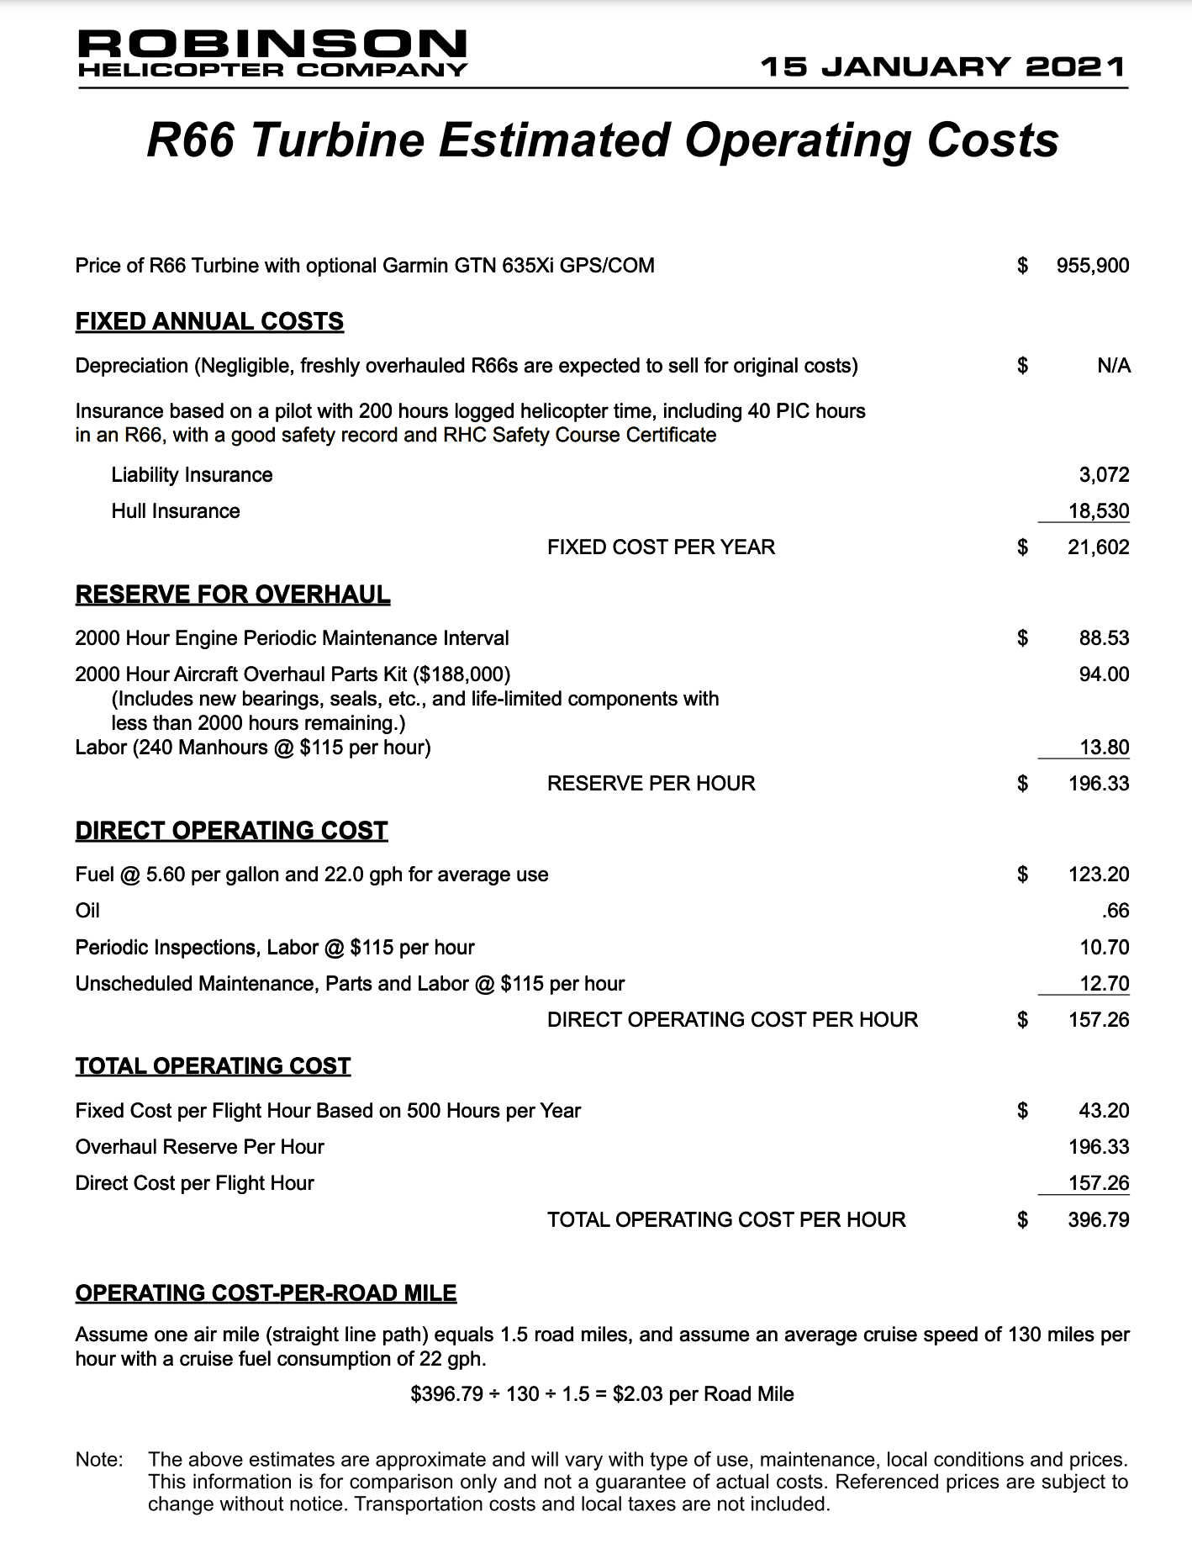

The Promise of Energy-Efficient Battery-Powered Urban Aircraft
https://www.researchgate.net/figure/Energy-efficiency-different-EVTOL-aircraft-and-terrestrial-vehicles-The-diamond-markers_fig1_352505370
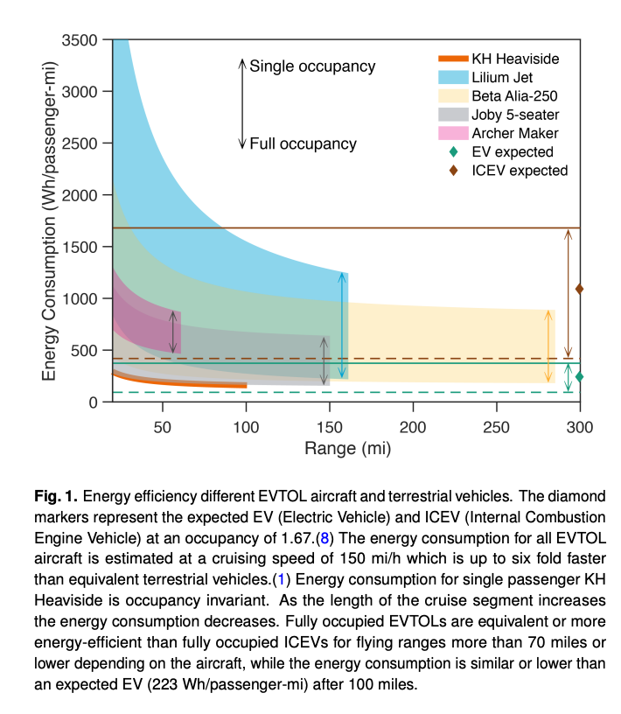

Archer Details Motor and Battery Design
https://www.futureflight.aero/news-article/2022-11-18/archer-details-motor-and-battery-design-midnight-evtol-air-taxi

Joby Presentation
https://www.sec.gov/Archives/edgar/data/1819848/000119312521053631/d135823dex992.htm
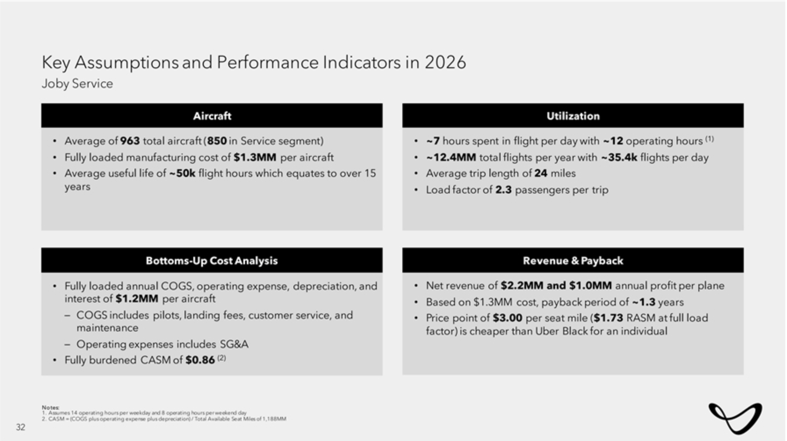

Heliports and Their Importance to NYC
https://helenrosenthal.com/wp-content/uploads/2015/11/Industry-Report-Mitchell-Moss-NYU.pdf

